Assignment 1
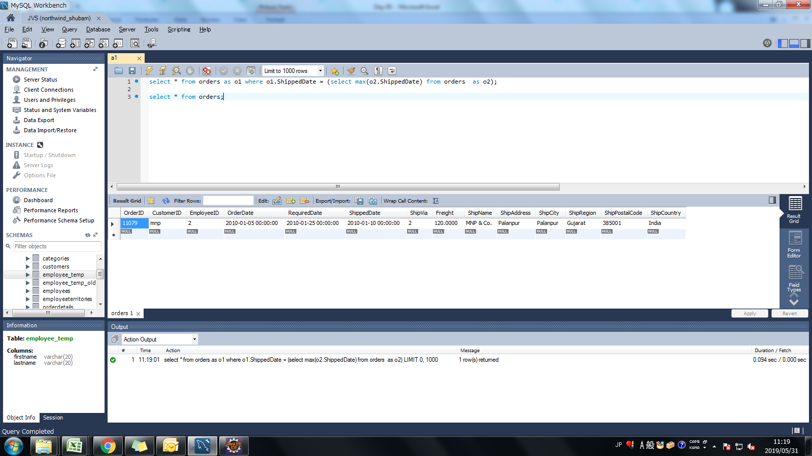
Assignment: | Select only the most recent order(s) in our orders table.

Query: | select * from orders as o1 where o1.ShippedDate = (select max(o2.ShippedDate) from orders as o2);

Screen Shoot:

Assignment 2
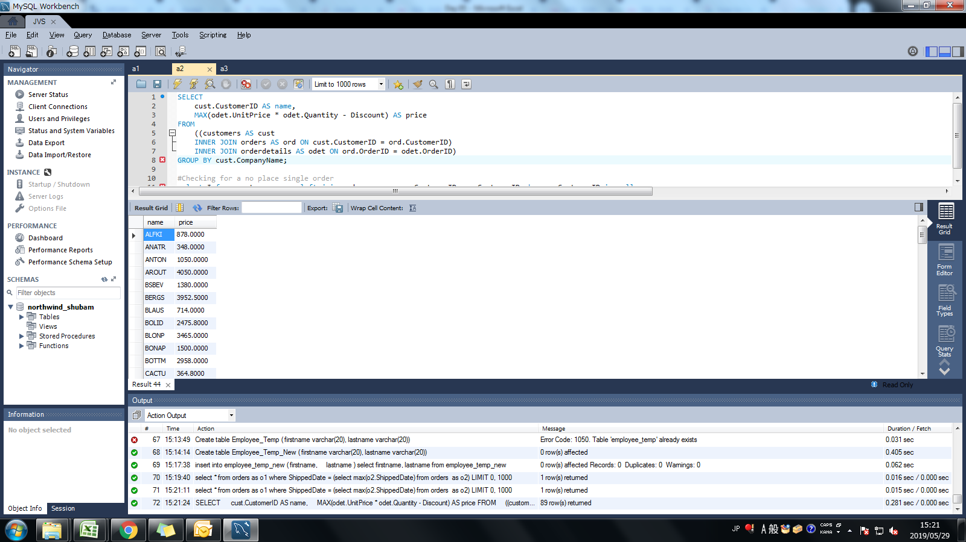
Assignment: | Display list of customers, together with the value of the most expensive item each has purchased.
 | Use table : Customers, Orders, Order Details
 | Order value = Order Detail.Unitprice * Order Detail.Quantity - Discount (If Applicable)

Query: | SELECT cust.CustomerID AS name, MAX(odet.UnitPrice * odet.Quantity - Discount) AS price FROM ((customers AS cust INNER JOIN orders AS ord ON cust.CustomerID = ord.CustomerID) INNER JOIN orderdetails AS odet ON ord.OrderID = odet.OrderID) GROUP BY cust.CompanyName;

Screen Shoot:

Assignment 3
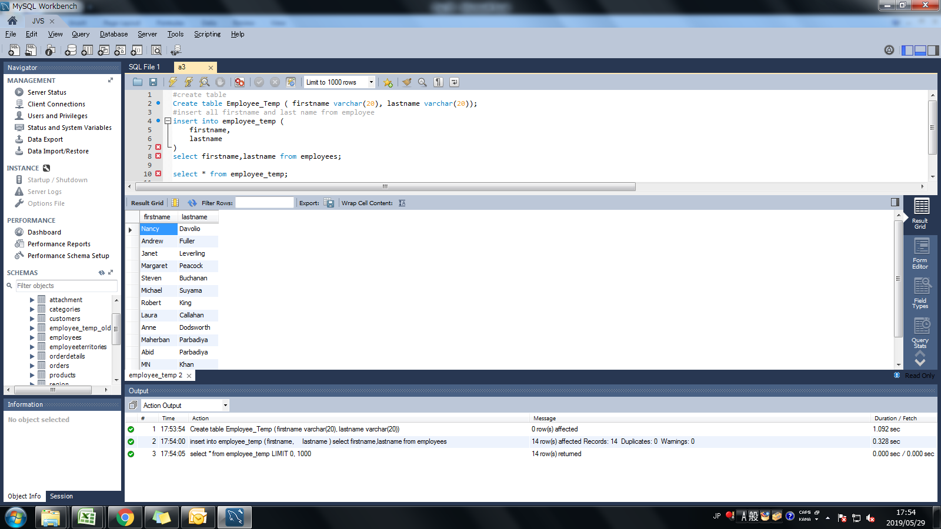
Assignment: | Create new table called Employee_Temp.
 | Create two columns firstname and last name
 | Insert all firstname, lastname from employees table to Employee_Temp table

Query: | #create table Create table Employee_Temp_New ( firstname varchar(20), lastname varchar(20));

 | #insert all firstname and last name from employee insert into employee_temp_new ( firstname, lastname ) select firstname, lastname from employees;

Screen Shoot:

